DST Decision Path
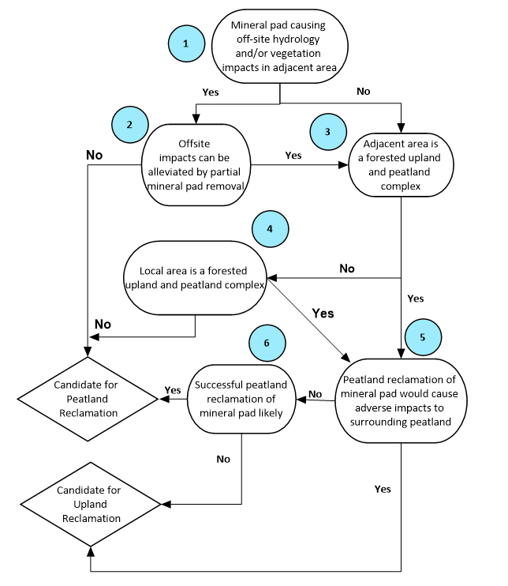
Adjacent and Regional Decision Support Tool (Nodes 1-6) |  |  |  | Not applicable
 |  |  |  | Yes
 |  |  |  | No

 |  | Decision Path | Rationale
1 | Mineral pad causing off-site hydrology and/or vegetation impacts in adjacent area
2 | Offsite impacts can be alleviated by partial mineral pad removal
3 | Adjacent area is a forested upland and peatland complex
4 | Local area is a forested upland and peatland complex
5 | Peatland reclamation of mineral pad would cause adverse impacts to surrounding peatland
6 | Successful peatland reclamation of mineral pad likely
DST Recommendation

Site-specific Considerations Decision Support Tool (Nodes 7-12)
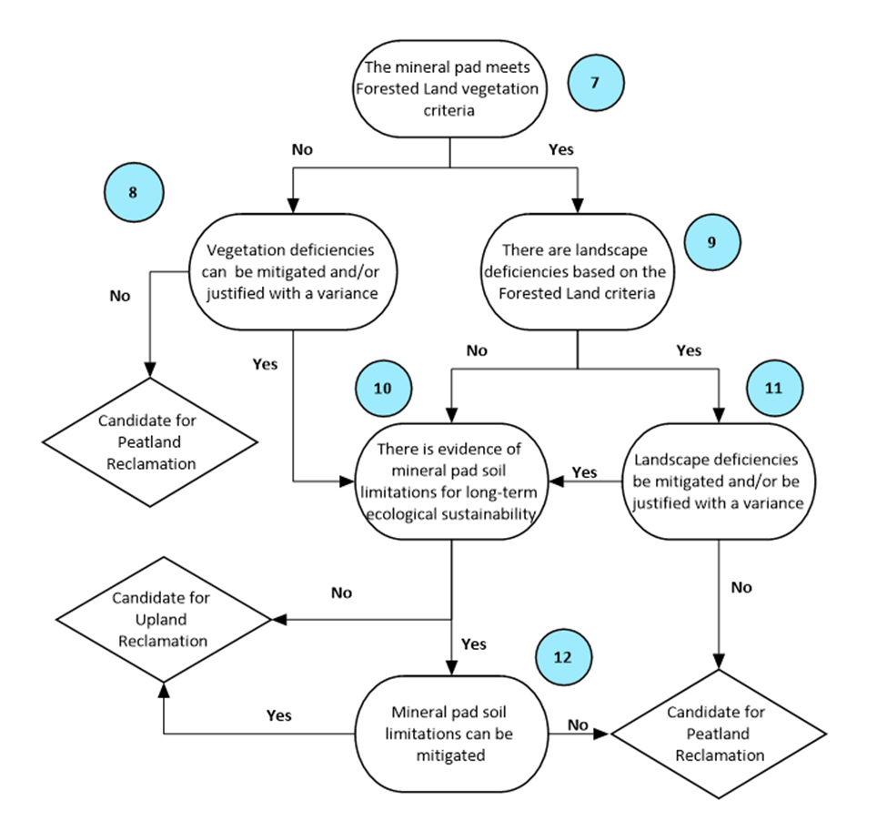

 |  | Decision Path | Rationale
7 | The mineral pad meets Forested Land vegetation criteria
8 | Vegetation deficiencies can be mitigated and/or justified with a variance
9 | There are landscape deficiencies based on the Forested Land Criteria
10 | There is evidence of mineral pad soil limitations for long-term ecological sustainability
11 | Landscape deficiencies can be mitigated and/or be justified with a variance
12 | Mineral pad soil limitations can be mitigated
DST Recommendation

Access Decision Support Tool (Nodes 13-16)
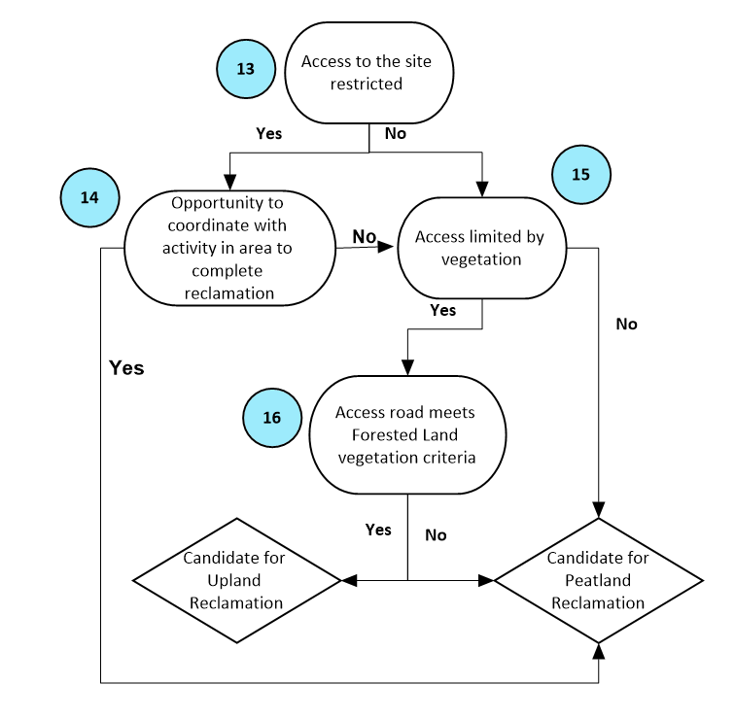

 |  | Decision Path | Rationale
13 | Access to the site restricted
14 | Opportunity to coordinate with activity in area to complete reclamation
15 | Access limited by vegetation
16 | Access road meets Forested Land vegetation criteria
DST Recommendation

Borrow Decision Support Tool (Nodes 17-23)
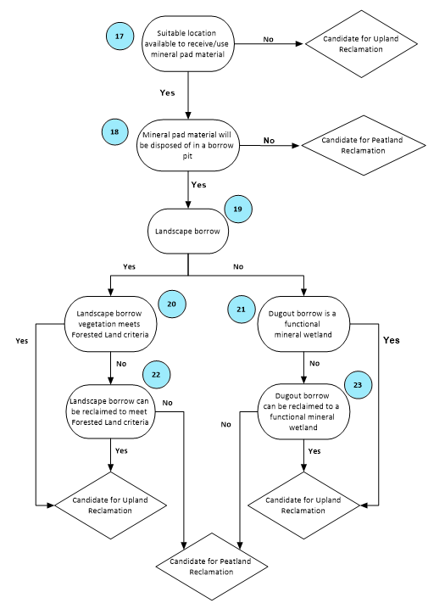

 |  | Decision Path | Rationale
17 | Suitable location available to receive/use all mineral pad material?
18 | Mineral pad material will be disposed of in a borrow pit
19 | Landscape borrow
20 | Landscape borrow vegetation meets Forested Land criteria
21 | Dugout borrow is a functional mineral wetland
22 | Landscape borrow can be reclaimed to meet Forested Land criteria
23 | Dugout borrow can be reclaimed to a functional mineral wetland
DST Recommendation

